Notes
Designing for failure

SmugMug, Netflix, SimpleGeo, Twilio

Chaos Monkey is a service which identifies groups of systems and randomly terminates one of the systems in a group

 | <iframe src="//www.googletagmanager.com/ns.html?id=GTM-M8LWJF" height="0" width="0" style="display:none;visibility:hidden"></iframe> <style> .wpb_animate_when_almost_visible { opacity: 1; }</style>
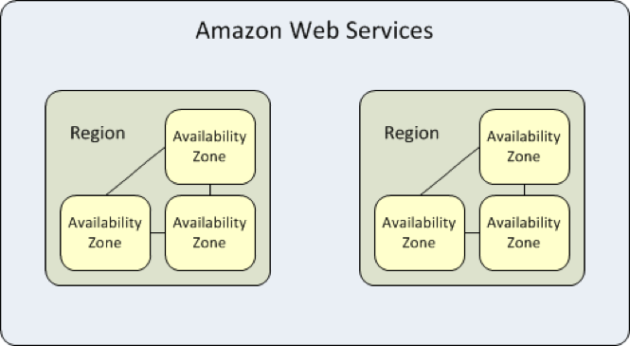

 | AZ | AZ is a SPOF
 | Each AZ could span multiple DCs | Redundant power, networking
 | Intra AZ connections are low latency redundant
 | ELB have a regional scope, idependent of Azs

 | <iframe src="//www.googletagmanager.com/ns.html?id=GTM-M8LWJF" height="0" width="0" style="display:none;visibility:hidden"></iframe> <style> .wpb_animate_when_almost_visible { opacity: 1; }</style>

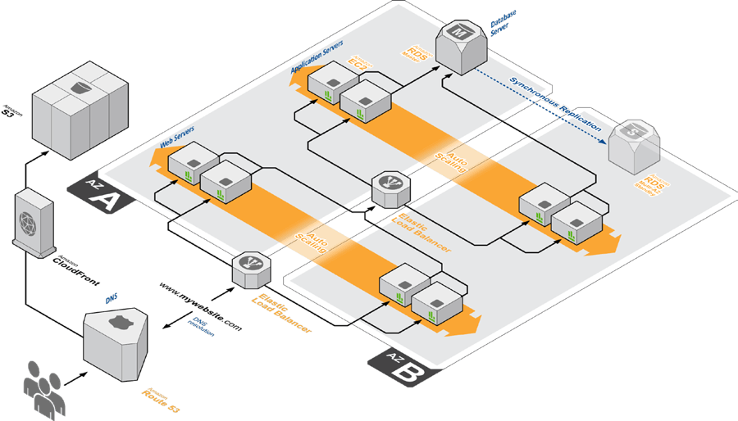

 | Workloads

 | Batch
 | online

